Template Help
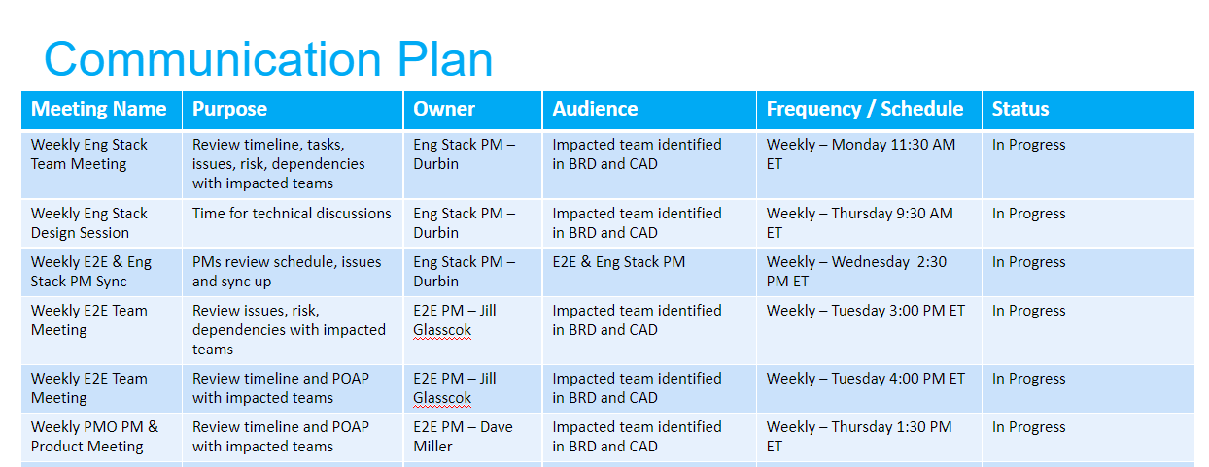
Overview / grading requirements:
A project communication plan/matrix is an agreement between collaborators and stakeholders that outlines what, when, and how information will be shared at key intervals.
Information like status updates, task-related questions, and meeting details should all be included in this written guide.
Every good communication management plan should answer the 5 Ws: who, what, when, where, and why.

Helpful Links:
https://www.lucidchart.com/blog/project-management-communication-plan
https://www.teamgantt.com/blog/project-management-communication-plan

Example:

